Registration
Bug ID | Bug Title | Steps to reproduce | Expected Result | Actual Result | Evidence | Priority
Bug_001 | Registration page appears after clicking sign up button 3 times | 1. Go to socialpr.ai and click on signup 2. Click on get started 3. Login page appears now and again click on sign up on bottom of the page | 1. Registration page should appear after 1st click on sign up | 1. User have to click sign up buttom 3 times to reach registration page | 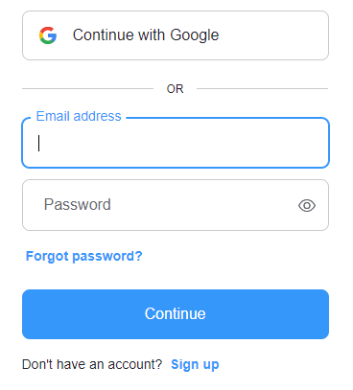 | P3
Bug_002 | Need more user detail fields in registration page | 1. Click on sign up 2. Enter Email ID 3. Enter Password 4. Click on continue | Registration page should have below fields: 1. Click on sign up 2. Enter first name 3. Enter last name 4. Enter Email ID 5. Enter Password 6. Re-enter Password 7. Click on continue | Registration page has below fields only: 1. Click on sign up 2. Enter Email ID 3. Enter Password 4. Click on continue | 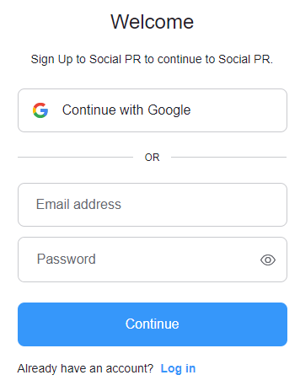 | P2
Bug_003 | Account created with non-existent or invalid Email ID & Email domain | 1. Click on sign up 2. Enter non-existent Email ID 3. Enter Password 4. Click on continue | 1. Account should be created with existing or valid Email ID. | Account created with non-existent or invalid Email ID & Email domain | 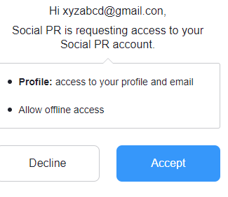 | P1
Bug_004 | Without email verification, user can enter the account and use the free PR service | 1. Click on sign up 2. Enter non-existent Email ID 3. Enter Password 4. Click on continue 5. Entered the account without email verification and use the free PR service | User can only access the account and use free PR service after email verification | Without email verification, user can enter the account and use the free PR service | 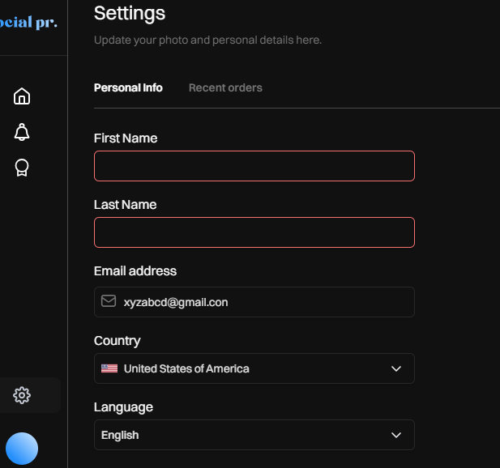 | P1

Login
Bug ID | Bug Title | Steps to reproduce | Expected Result | Actual Result | Evidence | Priority
Bug_005 | Login page appears after clicking sign up button 2 times | 1. Go to socialpr.ai and click on Login 2. Click on login 3. Enter Email ID & Password | 1. Log in page should appear after clicking 1st time on Login bottom | 1. Login page appears after clicking sign up button 2 times |  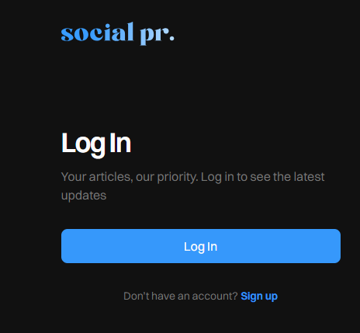 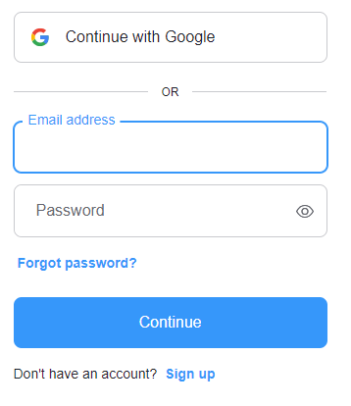 | P3
Bug_006 | Password text should not be copied | 1. Click on Login 2. Enter Email ID 3. Paste the copied password 4. Click on continue | Copy option in the Right click menu should be disabled | Copied password can be pasted in password field | 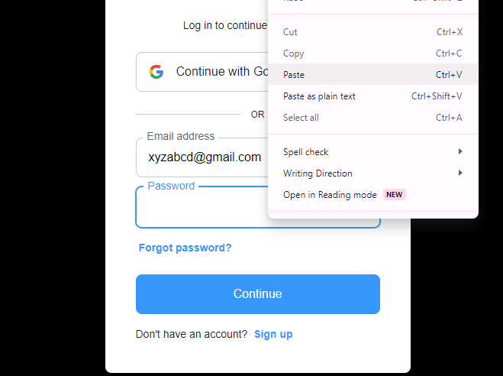 | P3
Bug_007 | Unavailability of remember me field | 1. Click on Login 2. Enter Email ID 3. Enter password 4. Click on continue | 1. In Login page, Remember me field can be introduced for hassle free multiple Login. | 1. Remember me field is absent in Login page. |  | P3
Bug_008 | Unavailability of warning message for entering multiple wrong password | 1. Click on Login 2. Enter Email ID 3. Enter wrong password multiple times 4. Click on continue | 1. Warning message with the text ' Warning: Your account has exceeded allowed number of login attempts, Please try again in 1 hour.' should be displayed for the 5th time of clicking the 'Login' button with the same invalid credentials to avoid brute force attack | 1. No feature to avoid entering multiple times wrong password. | 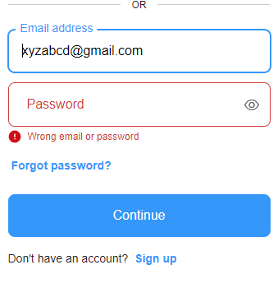 | P1

Forgot Password
Bug ID | Bug Title | Steps to reproduce | Expected Result | Actual Result | Evidence | Priority
Bug_010 | Forget password link not working | 1. Click on forget password in login page 2. Enter registered Email ID 3. Click on continue 4. Open the link received in registered Email ID 5. Enter a valid new password and re-enter same new password 6. Click on reset password | 1. Password should be reset | 1.Giving Error "something went wrong, try again later" | 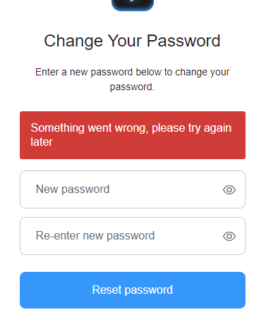 | P1
Bug_011 | Forgot password functionlity sending reset password link to unregistered or invalid Email ID | 1. Click on forget password in login page 2. Enter un-registered Email ID 3. Click on continue 4.Sending reset link page appears for unregistred mail ID. | 1. Error message should appear "This email ID is not registered with us" | Sending reset link page appears for unregistred mail ID. | NA | P3

Account Functionalities
Bug ID | Bug Title | Steps to reproduce | Expected Result | Actual Result | Evidence | Priority
Bug_012 | After deletion of the account, user can still login with the same credentials | 1. Click on account setting icon. 2. Click on 3 dots on right hand side 3. Click on delete account. 4. Fill all the required fields 5. Click on account delete 6. Login with same credentials of deleted account. | 1. Deleted account credentials should not work for login | 1. Credentials of deleted account is still working for login. | NA | P1
Bug_013 | Change password option is missing in account setting | 1. Click on account setting icon. 2. No option found for changing password. | 1. Change password option should be available in account setting | 1. Change password option is unavailable in account setting |  | P2
Bug_014 | Mandatory field symbol is missing in all pages of free article creation | 1. Click on free article icon | 1. Mandatory field symbol (*) should be there in all mandatory fields even before clicking continue. | 1. Mandatory field symbol (*) is unavailable before clicking continue. | 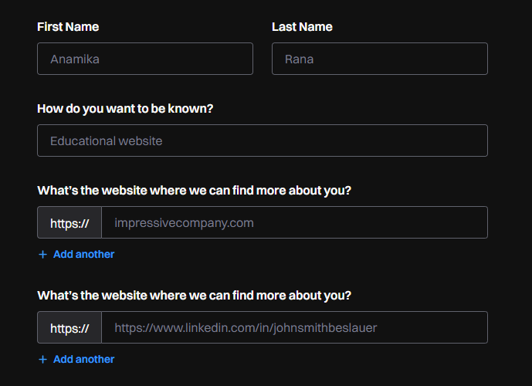 | P3
Bug_015 | Fields needed to be re-enter after clicking back to continue | 1. Click back on any page (eg: Media & Public relations) 2. In Personal Identity page,Click on continue | 1. When user clicks on back and enetrs to previous page for some updation, previously filled details should be present and user can just add only new stuffs and press continue for better user experience. | 1. Fields needed to be re-enter after clicking back to continue. | 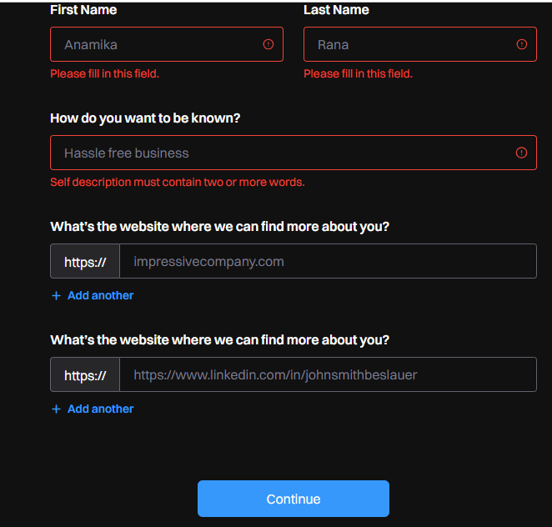 | P3
Bug_016 | In article details page, while uploading pdf, it doesnot specify the size limit | 1. Go to article details page 2. Try to upload a PDF of bigger size. | 1. While uploading PDF, it should mention the size limit of PDF . need improvement in UX | 1. In article details page, while uploading pdf, it doesnot specify the size limit |  | P3
Bug_017 | Bold, Italic, Underline, Word cross functionalities are not working properly in article content box | 1. Go to article details page 2. Try writing something in article content box 3. Use the functionalities "Bold, Italic, Underline, Word cross " in your content 4. Try reverting back applied functionalities "Bold, Italic, Underline, Word cross " by clicking on the icons. | 1. While writing the content of the article, the Bold, italic, underline, word cross functionality should work properly. e.g. if user make any word bold, it can be reverted back | 1. While writing the content of the article, the Bold, italic, underline, word cross functionality not working properly. e.g. if user make any word bold, it cant be reverted back |  | P3
Bug_018 | Bold, Italic, Underline, Word cross etc symbols not showing their functionalities while placing cursor on them. | 1. Go to article details page 2. Try writing something in article content box 3. Place the cursor on "Bold, Italic, Underline, Word cross etc" symbols | 1. While placing the cursor on the Bold, italic, underline, word cross etc symbols, it should show the functionality. | 1. While placing the cursor on the Bold, italic, underline, word cross etc symbols, it is not showing their functionalities. |  | P3
Bug_019 | min and max word limit tag is absent in article content box | 1. Go to article details page 2. Write some content in article content box and click on the arrow button | 1. While submitting the article, it should be mentioned the min and max word limit of the article so that after clicking submit it should not give error " Please provide more details of your article from the editor" | 1. While submitting the article, it is not mentioned the min and max word limit of the article , for which the AI giving error " Please provide more details of your article from the editor" |  | P2
Bug_020 | In marketing strategy page, " if your article is approved, how will you market it" field , the option "other" is not working properly | 1. Go to marketing strategy page 2. In field " if your article is approved, how will you market it" , select any option with option "other" and do not write anything in the "other" box 3. Answer remaining fields and click continue | It should give error as the user did not write anything in the "other" box and press continue | It is not giving any error when the user did not write anything in the "other" box and continue. | 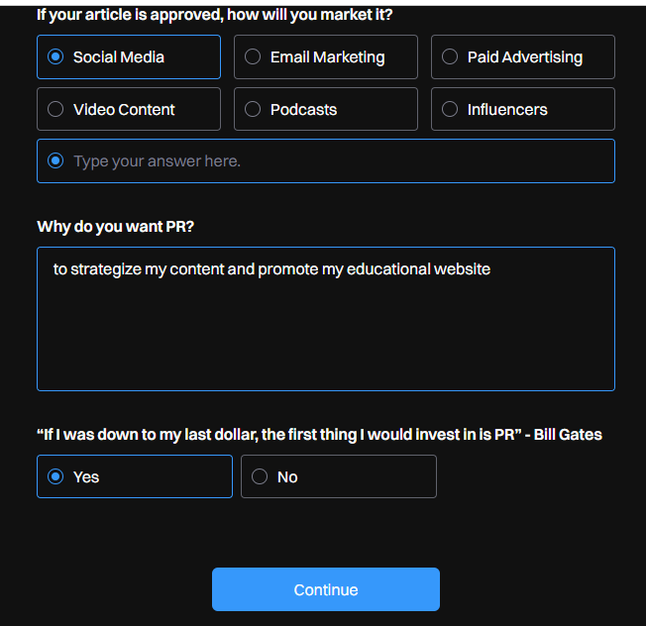 | P3
Bug_021 | No option to upload photo in account setting | 1. Click on account setting icon 2. No option to upload photo in account setting | 1. In setting, it is mentioned to "update your photo and personal details here",option should be available to do so. | 1. In setting, it is mentioned to "update your photo and personal details here", but there is no option is available to do so. |  | P3
Bug_022 | In account settings, language field is having no more than 2 languages | 1. Click on account setting icon 2. Click on language drop down arrow | 1. In language field more than 2 language can be adopted to grab large user base | In account settings, language field is having no more than 2 languages |  | P3
Bug_023 | Profile icon is inactive | 1. Click on profile icon | 1. When user clicks profile icon, it should show basic profile details for better UX | Profile icon is inactive |  | P3

